Matrix
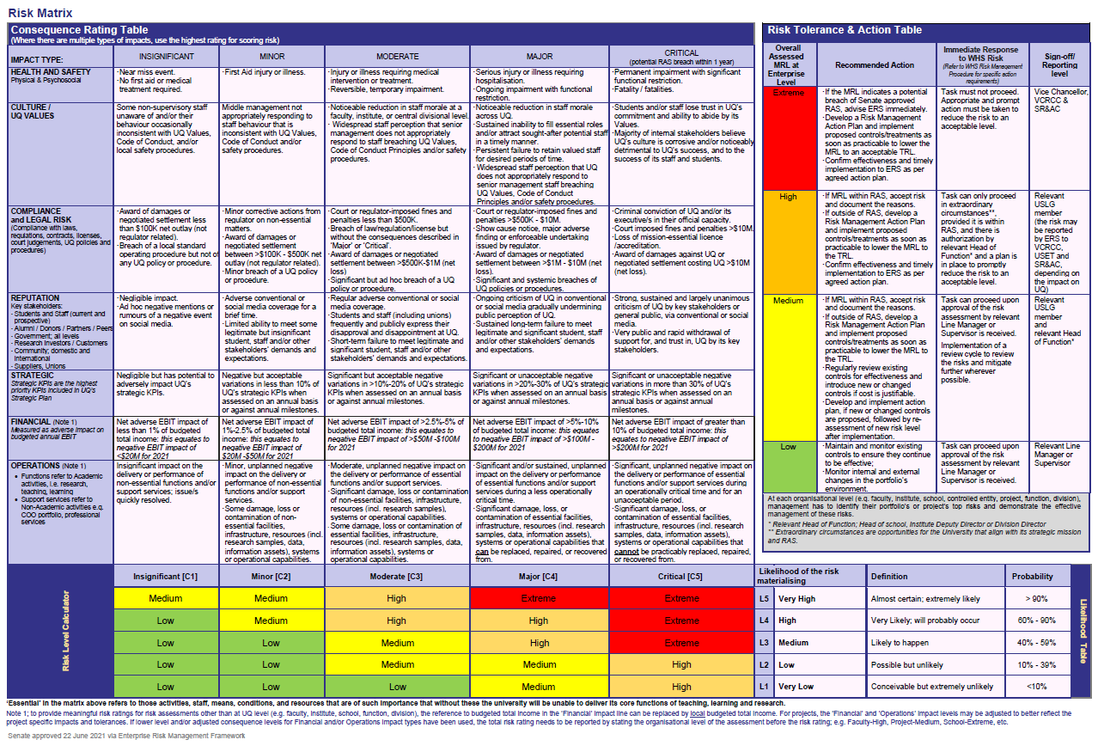
 | Insignificant (1) | Minor (2) | Moderate (3) | Major (4) | Critical (5)
 | 1 | 2 | 3 | 4 | 5
Very High (5) | Medium | Medium | High | Extreme | Extreme
High (4) | Low | Medium | High | High | Extreme
Medium (3) | Low | Low | Medium | High | Extreme
Low (2) | Low | Low | Medium | Medium | High
Very Low (1) | Low | Low | Low | Medium | High

Health & Safety
Culture / UQ Values
Compliance & Legal
Reputation
Strategic
Financial (Local)
Financial (UQ)
Operations (Local)
Operations (UQ)

Note: To provide more meaningful risk ratings for your programme/project, it is recommended to adjust the 'Financial' and 'Operations' level consequences and scale and re-word these to make them relevant to your programme/project. For example:
'Financial' impact can be scaled with reference to your programme/project budget e.g. negligible negative financial impact (rating 1 'insignificant') to negative impact greater than 25% (rating 5 'critical'), similar scaling to the % references in the 'Strategic' line above.
'Operations' impacts (rating 1 'insignificant' to rating 5 'critical') can be reworded to capture negative time delay impacts related to the project schedule, and negative outcomes on the quality of the project delivery and/or project benefits to be achieved.
Your programme/project steering committee will need to sign off on these adjusted risk impact scales.

